Sprint 1
Subject | Sprint | Test Name | Description | Description (Design Steps) | Browser | Expected Behavior (Design Steps) | Actual Result | Modules | Status | Type | Priority | Core Regression Test | Test Type | Designer | Automation Status | Attachments
PJT20645-SOAR | Sprint 1 | TC01_User enters an address in the search bar | User searches by address to narrow down the streetlight location as an alternative to navigating on the map User strory-100633 [FE] Streetlight address search bar to the map | Scenario - In the search bar, enter the address Given I login to "http://localhost:3000" as user "test-data" When I tap enter address text in the search bar. And I should be able to enter address text in the search bar. For example: zip code/city zoom (with the help of default auto fill search). Then I should be able to enter remaining address fields. And I have entered a valid address And I should see that address zoomed to the "Town" level on the map Then Location marker default is replaced by icon | Microsoft Edge Chrome Safari browser on iPhone 11/12 IOS 14 with 5.8 to 6.1 inch | User should be able to enter address text in the search bar User should be able to enter remaining address fields. For example: zip code/city zoom (with the help of default auto fill search) | User was be able to enter address text in the search bar User was be able to enter remaining address fields. For example: zip code/city zoom (with the help of default auto fill search) | Non SAP | PASS | Manual | 01 - High | N | Functional | Pgadeka3 | 03 - Not Suitable for Automation
PJT20645-SOAR | Sprint 1 | TC01_Application work in both Desktop and Mobile views | User needs to see a map of all the streetlights in the area so they can navigate to a specific streetlight. User Story-94308([FE] Show the Streetlight(s) on a map) | Scenario - Show the Streetlight(s) on a map Given I login to "http://localhost:3000" as user "testdata" Then I able to open both Desktop and Mobile views When I enable GIS inventory of streetlights to show on the map(Default view is of State of Michigan LOWER PENINSULA map) And I must be able to pan across the map in all directions Then I must be able to rotate map view as necessary And I must be able to Zoom in and out | Microsoft Edge Chrome Safari browser on iPhone 11/12 IOS 14 with 5.8 to 6.1 inch | User should be able to launch the application on both devices-Desktop and Mobile | User was be able to launch the application on both devices-Desktop and Mobile | Non SAP | PASS | Manual | 01 - High | N | Functional | Pgadeka3 | 03 - Not Suitable for Automation
PJT20645-SOAR | Sprint 1 | TC01_Check the user's browser settings to see if location is enabled/Disabled | Based on the premise address, the user should be able to view streetlights in that area. User Story-94310 [FE] Allow the map to zoom in to the user's device location | Scenario - Allow the map to zoom in to the user's device location Given I login to "http://localhost:3000" as user "testdata" When I should check the below browser settings. And I should be able change a pop-up banner is displayed on the first visit that prompts the user to enable location services. Then I should be able to click on the location icon And I should be able to verify that the enable popup is displayed back up Then pop-up banner is displayed on the first visit that prompts the user to enable location services When I clicks on the location icon Then I enabled popup is displayed back up | Microsoft Edge Chrome Safari browser on iPhone 11/12 IOS 14 with 5.8 to 6.1 inch | A pop-up banner is displayed on the first visit that prompts the user to enable location services. When user clicks on the location icon, the enable popup is displayed back up. | User was able to map to zoom in to the user's device location enabled. | Non SAP | PASS | Manual | 01 - High | N | Functional | Pgadeka3 | 03 - Not Suitable for Automation
PJT20645-SOAR | Sprint 1 | TC01_User can select a streetlight from the map | The user should be able to view streetlights in the map User Story-94529 [FE] Select a streetlight from the map | Scenario - Select a streetlight from the map Given I login to "http://localhost:3000" as user "testdata" When I tap enter address text in the search bar. When light is selected it retrieves the exact location so the user does not need to input it. Then clicking on any streetlight will show the Streetlight type icon (e.g. cobrahead) and its description (e.g. Cobra Streetlight) see attached screenshot. Streetlight types: Cobra Decorative Hanging Then Display Lat/Long instead of address (as shown in the link). This is a temporary thing until we get the address fetch implemented in #124116 | Microsoft Edge Chrome Safari browser on iPhone 11/12 IOS 14 with 5.8 to 6.1 inch | Use the map to select a streetlight so that I can report a streetlight outage. Using the map to select this light will provide an exact location of that light so that it can be found and fixed. | User was able to select a streetlight so that I can report a streetlight outage. | Non SAP | PASS | Manual | 01 - High | N | Functional | Pgadeka3 | 03 - Not Suitable for Automation
PJT20645-SOAR | Sprint 1 | TC01_ESRI data that will be included with a streetlight is: ◦Light ID ◦Type of Light ◦City ◦Township ◦County | System to auto-extract the address of the streetlight User Story-124116[FE] - Lookup details for each light/pole | Scenario - Lookup details for each light/pole Given I login to "http://localhost:3000" as user "testdata" When I tap enter address text in the search bar. And I should be able to enter address text in the search bar. For example: zip code/city zoom (with the help of default auto fill search). Then I should be able to enter remaining address fields. And I have entered a valid address And I should see that address zoomed to the "Town" level on the map Then Location marker default is replaced by icon Then I should able to click on the street light Then I should able to see street light and the light id, type of light, City, Township and Country Then I should be displayed in the browser debug console. (control+shift+J) Then I should go to the lookup button. Then I navigate to provide light id, type of light, City, Township and Country | Microsoft Edge Chrome Safari browser on iPhone 11/12 IOS 14 with 5.8 to 6.1 inch | Able to navigate to provide light id, type of light, City, Township and Country | was able to see a map of all the streetlights in my area so that I can navigate to a specific streetlight. | Non SAP | PASS for web broser but FAIL for Mobile | Manual | 01 - High | N | Functional | Pgadeka3 | 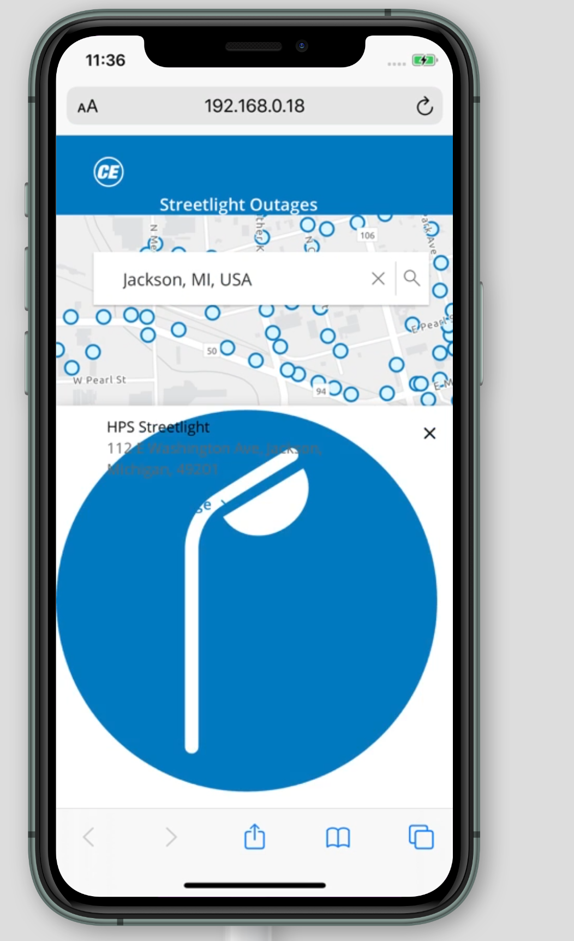 03 - Not Suitable for Automation

